Cover Page
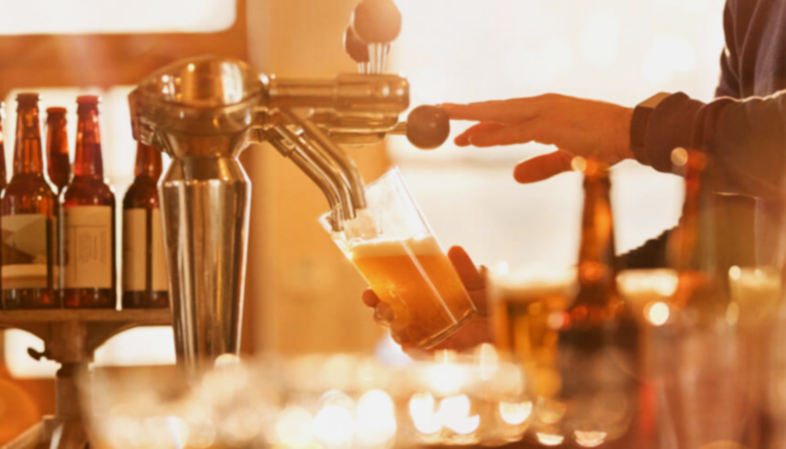

Beer Production in the UK
Who to "look out" for?

AB InBev
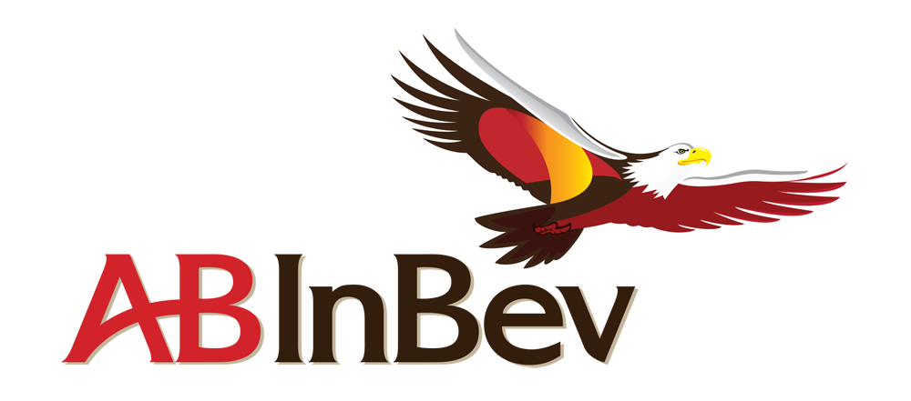

AB InBev

AB InBev Financial Performance Summary

 | 2018 restated | Scope | Currency translation | Organic growth | 2019 | Organic growth %
Volumes | 559,819 | (4,601) | - | 6,209 | 561,427 | 1.10%
Revenue | 53,041 | (316) | (2,664) | 2,268 | 52,329 | 4.30%
Cost of sales | (19,933) | 14 | 1,030 | (1,474) | (20,362) | -7.40%
Gross profit | 33,108 | (302) | 1,634 | 794 | 31,967 | 2.40%
SG&A | (16,807) | 157 | 829 | (599) | 16,421 | -3.60%
Other operating income/(expenses) | 805 | 8 | (37) | 100 | 875 | 12.20%
Normalized EBIT | 17,107 | (137) | (843) | 295 | 16,421 | 1.70%
Normalized EBITDA | 21,732 | (109) | (1,123) | 578 | 21,078 | 2.70%
Normalized EBITDA margin | 41.00% |  |  |  | 40.30% | 65 bps

Source: 2019 Annual Report, AB InBev

AB InBev Operating Activities EMEA

 | 2018 restated | Scope | Currency translation | Organic growth | 2019 | Organic growth %
Volumes | 87,135 | (4,071) | - | 2,825 | 85,888 | 3.4%
Revenue | 8,368 | (209) | (528) | 280 | 7,911 | 3.4%
Cost of sales | (3,473) | 100 | 224 | (357) | (3,506) | -10.6%
Gross profit | 4,894 | (110) | (304) | (76) | 4,404 | -1.6%
SG&A | (2,878) | 57 | 183 | (224) | (2,862) | -8.0%
Other operating income/(expenses) | 232 | 14 | (14) | 32 | 264 | 13.0%
Normalized EBIT | 2,248 | (39) | (135) | (268) | 1,807 | -12.1%
Normalized EBITDA | 3,184 | (36) | (196) | (171) | 2,781 | 5.4%
Normalized EBITDA margin | 38.1% |  |  |  | 35.2% | (322) bps

Source: 2019 Annual Report, AB InBev

Consolidated Income Statement

 |  |  |  |  | For Year ended 31 December
 |  |  |  |  | (Million US dollar, except earnings per shares in US dollar)
 |  |  |  |  | 2019 | 2018 restated
Revenue |  |  |  |  | 52,329 | 53,041
Cost of sales |  |  |  |  | (20,362) | (19,933)
Gross profit |  |  |  |  | 31,967 | 33,108

Distribution expenses |  |  |  |  | (5,525) | (5,612)
Sales and marketing expenses |  |  |  |  | (7,348) | (7,774)
Administrative expenses |  |  |  |  | (3,548) | (3,421)
Other operating income/(expenses) |  |  |  |  | 875 | 805
Profit from operations before non-recurring items |  |  |  |  | 16,421 | 17,107

Restructuring |  |  |  |  | (170) | (363)
Acquisition costs business combinations |  |  |  |  | (23) | (73)
Business and asset disposal |  |  |  |  | (50) | (26)
Brazil state tax regularization program |  |  |  |  | (74) | -
Cost related to public offering of minority stake in Budweiser APAC |  |  |  |  | (6) | -
Provision for EU investigation |  |  |  |  | - | (230)
Profit from operations |  |  |  |  | 16,098 | 16,414

Finance cost |  |  |  |  | (4,873) | (7,279)
Finance income |  |  |  |  | 518 | 435
Non-recurring net finance income/(cost) |  |  |  |  | 882 | (1,982)
Net finance income/(cost) |  |  |  |  | (3,473) | (8,826)

Share of result of associates and joint ventures |  |  |  |  | 152 | 153
Profit before tax |  |  |  |  | 12,776 | 7,741

Income tax expense |  |  |  |  | (2,786) | (2,585)
Profit from continuing operations |  |  |  |  | 9,990 | 5,157

Profit from discontinued operations |  |  |  |  | 424 | 531

Profit of the period |  |  |  |  | 10,414 | 5,688

Profit from continuing operations attributable to:
Equity holders of AB |  |  |  |  | 8,748 | 3,839
InBev Non-controlling interest |  |  |  |  | 1,243 | 1,318

Profit of the period attributable to:
Equity holders of AB InBev |  |  |  |  | 9,171 | 4,370
Non-controlling interest |  |  |  |  | 1,243 | 1,318

Basic earnings per share |  |  |  |  | 4.62 | 2.21
Diluted earnings per share |  |  |  |  | 4.53 | 2.17

Basic earnings per share from continuing operations |  |  |  |  | 4.41 | 1.94
Diluted earnings per share from continuing operations |  |  |  |  | 4.32 | 1.91

Basic earnings per share before non-recurring items and discontinued operations |  |  |  |  | 4.08 | 3.16
Diluted earnings per share before non-recurring items and discontinued operations |  |  |  |  | 3.99 | 3.11

Underlying EPS |  |  |  |  | 3.63 | 4.1

Source: 2019 Annual Report, AB InBev

Consolidated Statement of Financial Position

 |  |  |  |  | For Year ended 31 December
 |  |  |  |  | (Million US dollar)
 |  |  |  |  | 2019 | 2018 restated
Assets
Non-current assets
Property, plant and equipment |  |  |  |  | 27,544 | 27,615
Goodwill |  |  |  |  | 128,114 | 133,311
Intangible assets |  |  |  |  | 42,452 | 44,831
Investments in associates and joint ventures Investment securities |  |  |  |  | 5,861 | 6,136
Investment securities |  |  |  |  | 110 | 108
Deferred tax assets |  |  |  |  | 1,719 | 1,517
Employee benefits |  |  |  |  | 14 | 16
Income tax receivables |  |  |  |  | 1,081 | 992
Derivatives |  |  |  |  | 132 | 291
Trade and other receivables |  |  |  |  | 807 | 769
Total non-current assets |  |  |  |  | 207,834 | 215,587
Current assets
Investment securities |  |  |  |  | 92 | 87
Inventories |  |  |  |  | 4,427 | 4,234
Income tax receivables |  |  |  |  | 627 | 457
Derivatives |  |  |  |  | 230 | 16
Trade and other receivables |  |  |  |  | 6,187 | 6,375
Cash and cash equivalents |  |  |  |  | 7,238 | 7,074
Assets classified as held for sale |  |  |  |  | 10,013 | 39
Total current assets |  |  |  |  | 28,814 | 18,281
Total assets |  |  |  |  | 236,648 | 233,868
Equity and liabilities
Equity
Issued capital |  |  |  |  | 1,736 | 1,736
Share premium |  |  |  |  | 17,620 | 17,620
Reserves |  |  |  |  | 24,882 | 19,061
Retained earnings |  |  |  |  | 31,484 | 26,068
Equity attributable to equity holders of AB InBev |  |  |  |  | 75,722 | 64,485
Non-controlling interests |  |  |  |  | 8,831 | 7,404
Total equity |  |  |  |  | 84,553 | 71,889
Non-current liabilities
Interest-bearing loans and borrowings |  |  |  |  | 97,564 | 106,997
Employee benefits |  |  |  |  | 2,848 | 2,681
Deferred tax liabilities |  |  |  |  | 12,824 | 13,165
Income tax payables |  |  |  |  | 1,022 | 576
Derivatives |  |  |  |  | 352 | 766
Trade and other payables |  |  |  |  | 1,943 | 1,816
Provisions |  |  |  |  | 701 | 1,152
Total non-current liabilities |  |  |  |  | 117,254 | 127,153
Current liabilities
Bank overdrafts |  |  |  |  | 68 | 114
Interest-bearing loans and borrowings |  |  |  |  | 5,410 | 4,584
Income tax payables |  |  |  |  | 1,346 | 1,220
Derivatives |  |  |  |  | 3,799 | 5,574
Trade and other payables |  |  |  |  | 22,864 | 22,568
Provisions |  |  |  |  | 210 | 766
Liabilities associated with assets held for sale |  |  |  |  | 1,145 | -
Total current liabilities |  |  |  |  | 34,841 | 34,826
Total equity and liabilities |  |  |  |  | 236,648 | 233,868

Source: 2019 Annual Report, AB InBev

Heineken
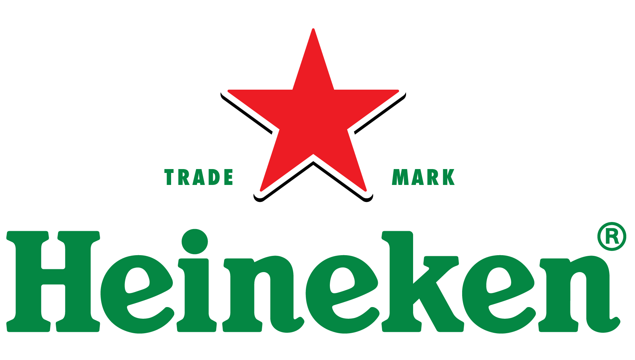

Heineken

Consolidated Income Statement

 | For the years ended ($)
 | 31-Dec-15 | 31-Dec-16 | 31-Dec-17 | 31-Dec-18 | 31-Dec-19
Total Revenue | 20,511,000,000 | 20,792,000,000 | 21,888,000,000 | 22,471,000,000 | 23,969,000,000
Operating Revenue | 20,511,000,000 | 20,792,000,000 | 21,888,000,000 | 22,471,000,000 | 23,969,000,000
Cost Of Revenue | 12,931,000,000 | 13,003,000,000 | 13,540,000,000 | 13,967,000,000 | 14,592,000,000
Gross Profit | 7,580,000,000 | 7,789,000,000 | 8,348,000,000 | 8,504,000,000 | 9,377,000,000
Operating Expense | 4,916,000,000 | 5,080,000,000 | 5,072,000,000 | 5,442,000,000 | 5,839,000,000
Other Operating Expenses
Operating Income | 2,664,000,000 | 2,709,000,000 | 3,276,000,000 | 3,062,000,000 | 3,538,000,000
Net Non Operating Interest Income Expense | (401,000,000) | (410,000,000) | (436,000,000) | (480,000,000) | (484,000,000)
Interest Income Non Operating | 60,000,000 | 60,000,000 | 72,000,000 | 62,000,000 | 75,000,000
Interest Expense Non Operating | 459,000,000 | 460,000,000 | 515,000,000 | 541,000,000 | 574,000,000
Total Other Finance Cost | 2,000,000 | 10,000,000 | (7,000,000) | 1,000,000 | (15,000,000)
Pre tax Income | 2,838,000,000 | 2,412,000,000 | 2,908,000,000 | 2,852,000,000 | 3,284,000,000
Tax Provision | 697,000,000 | 673,000,000 | 755,000,000 | 757,000,000 | 910,000,000
Net Income Common Stockholders | 1,892,000,000 | 1,540,000,000 | 1,935,000,000 | 1,903,000,000 | 2,166,000,000
Net Income | 1,892,000,000 | 1,540,000,000 | 1,935,000,000 | 1,903,000,000 | 2,166,000,000
Net Income Including Non controlling Interests | 2,141,000,000 | 1,739,000,000 | 2,153,000,000 | 2,095,000,000 | 2,374,000,000
Net Income Continuous Operations | 2,141,000,000 | 1,739,000,000 | 2,153,000,000 | 2,095,000,000 | 2,374,000,000
NetIncome Extraordinary
Minority Interests | (249,000,000) | (199,000,000) | (218,000,000) | (192,000,000) | (208,000,000)
Other under Preferred Stock Dividend | - | - | - | - | -
Diluted NI Availto Com Stockholders | 1,892,000,000 | 1,540,000,000 | 1,935,000,000 | 1,903,000,000 | 2,166,000,000
Basic EPS | 3 | 3 | 3 | 3 | 4
Diluted EPS | 3 | 3 | 3 | 3 | 4
Basic Average Shares | 572,292,454 | 569,737,210 | 570,074,335 | 570,146,069 | 573,643,551
Diluted Averag eShares | 572,944,188 | 570,370,392 | 570,652,111 | 570,663,632 | 574,217,111
Total Operating Income As Reported | 3,075,000,000 | 2,755,000,000 | 3,352,000,000 | 3,137,000,000 | 3,633,000,000
Rent ExpenseSupplemental | 301,000,000 | 302,000,000 | 308,000,000 | 321,000,000 | 112,000,000
Total Expenses | 17,847,000,000 | 18,083,000,000 | 18,612,000,000 | 19,409,000,000 | 20,431,000,000
Net Income From Continuing And D iscontinued Operation | 1,892,000,000 | 1,540,000,000 | 1,935,000,000 | 1,903,000,000 | 2,166,000,000
Normalized Income | 1,469,864,000 | 1,494,305,000 | 1,940,864,000 | 1,798,902,000 | 2,108,652,000
Interest Income | 60,000,000 | 60,000,000 | 72,000,000 | 62,000,000 | 75,000,000
Interest Expense | 459,000,000 | 460,000,000 | 515,000,000 | 541,000,000 | 574,000,000
Net Interest Income | (401,000,000) | (410,000,000) | (436,000,000) | (480,000,000) | (484,000,000)
EBIT | 3,297,000,000 | 2,872,000,000 | 3,423,000,000 | 3,393,000,000 | 3,858,000,000
EBITDA
Reconciled Cost Of Revenue | 12,931,000,000 | 13,003,000,000 | 13,540,000,000 | 13,967,000,000 | 14,592,000,000
Reconciled Depreciation | 1,594,000,000 | 1,817,000,000 | 1,587,000,000 | 1,693,000,000 | 1,959,000,000
Net Income From Continuing Operation Net Minority Interest | 1,892,000,000 | 1,540,000,000 | 1,935,000,000 | 1,903,000,000 | 2,166,000,000
Total Unusual Items Excluding Goodwill | 572,000,000 | 65,000,000 | (8,000,000) | 146,000,000 | 81,000,000
Total Unusual Items | 572,000,000 | 65,000,000 | (8,000,000) | 146,000,000 | 81,000,000
Normalized EBITDA | 4,319,000,000 | 4,624,000,000 | 5,018,000,000 | 4,940,000,000 | 5,736,000,000
Tax Rate For Calcs | 0 | 0 | 0 | 0 | 0
Tax Effect Of Unusual Items | 149,864,000 | 19,305,000 | (2,136,000) | 41,902,000 | 23,652,000

Source: 2019 Annual Report Heineken
Source: 2018 Annual Report Heineken
Source: 2017 Annual Report Heineken
Source: 2016 Annual Report Heineken
Source: 2015 Annual Report Heineken

Consolidated Balance Sheet

 | For the years ended ($)
 | 31-Dec-15 | 31-Dec-16 | 31-Dec-17 | 31-Dec-18 | 31-Dec-19
Total Assets | 37,714,000,000 | 39,321,000,000 | 41,034,000,000 | 41,956,000,000 | 46,504,000,000
Current Assets | 5,914,000,000 | 8,137,000,000 | 8,248,000,000 | 9,070,000,000 | 8,419,000,000
Cash Cash Equivalents And Short Term Investments | 840,000,000 | 3,035,000,000 | 2,442,000,000 | 2,903,000,000 | 1,821,000,000
Cash And Cash Equivalents | 824,000,000 | 3,035,000,000 | 2,442,000,000 | 2,903,000,000 | 1,821,000,000
Cash Financial
Other Short Term Investments | 16,000,000
Inventory | 1,702,000,000 | 1,618,000,000 | 1,814,000,000 | 1,920,000,000 | 2,213,000,000
Raw Materials | 247,000,000 | 247,000,000 | 316,000,000 | 351,000,000 | 403,000,000
Work In Process | 223,000,000 | 225,000,000 | 234,000,000 | 228,000,000 | 252,000,000
Finished Goods | 676,000,000 | 647,000,000 | 723,000,000 | 749,000,000 | 827,000,000
Other Inventories | 556,000,000 | 499,000,000 | 541,000,000 | 592,000,000 | 731,000,000
Prepaid Assets | 343,000,000 | 328,000,000 | 399,000,000 | 382,000,000 | 385,000,000
Assets Held For Sale Current | 123,000,000 | 57,000,000 | 33,000,000 | 401,000,000 | 111,000,000
Hedging Assets Current | 52,000,000 | 48,000,000 | 219,000,000 | 35,000,000 | 28,000,000
Other Current Assets
Total Non Current Assets | 31,800,000,000 | 31,184,000,000 | 32,786,000,000 | 32,886,000,000 | 38,085,000,000
Net PPE | 9,552,000,000 | 9,232,000,000 | 11,117,000,000 | 11,359,000,000 | 13,269,000,000
Gross PPE | 19,786,000,000 | 19,538,000,000 | 21,372,000,000 | 22,192,000,000 | 24,950,000,000
Properties | 0 | 0 | 0 | 0 | 0
Land And Improvements | 5,480,000,000 | 5,435,000,000 | 6,911,000,000 | 6,978,000,000 | 7,418,000,000
Buildings And Improvements |  |  |  |  | 807,000,000
Machinery Furniture Equipment | 8,110,000,000 | 8,394,000,000 | 8,393,000,000 | 8,872,000,000 | 9,870,000,000
Other Properties | 5,408,000,000 | 5,043,000,000 | 5,166,000,000 | 5,344,000,000 | 5,778,000,000
Construction In Progress | 788,000,000 | 666,000,000 | 902,000,000 | 998,000,000 | 1,077,000,000
Accumulated Depreciation | -10,234,000,000 | -10,306,000,000 | -10,255,000,000 | -10,833,000,000 | -11,681,000,000
Goodwill And OtherIntangible Assets | 18,183,000,000 | 17,424,000,000 | 17,670,000,000 | 17,459,000,000 | 17,769,000,000
Goodwill | 11,324,000,000 | 11,029,000,000 | 11,205,000,000 | 11,194,000,000 | 11,465,000,000
Other Intangible Assets | 6,859,000,000 | 6,395,000,000 | 6,465,000,000 | 6,265,000,000 | 6,304,000,000
Financial Assets | 210,000,000 | 254,000,000 | 36,000,000 | 35,000,000 | 2,000,000
Non Current Deferred Assets
Non Current Deferred Taxes Assets | 958,000,000 | 1,011,000,000 | 768,000,000 | 622,000,000 | 647,000,000
Non Current Prepaid Assets | 381,000,000 | 419,000,000 | 623,000,000 | 619,000,000 | 661,000,000
Other NonCurrent Assets
Total Liabilities Net Minority Interest | 22,644,000,000 | 24,748,000,000 | 26,513,000,000 | 26,416,000,000 | 29,193,000,000
Current Liabilities | 8,516,000,000 | 10,397,000,000 | 10,458,000,000 | 10,450,000,000 | 12,307,000,000
Current Provisions | 154,000,000 | 154,000,000 | 178,000,000 | 164,000,000 | 184,000,000
Current Debt And Capital Lease Obligation | 1,939,000,000 | 3,650,000,000 | 3,212,000,000 | 2,358,000,000 | 3,686,000,000
Current Debt | 1,934,000,000 | 3,650,000,000 | 3,212,000,000 | 2,358,000,000 | 3,431,000,000
Current Capital Lease Obligation | 5,000,000 |  |  |  | 255,000,000
Other Current Liabilities |  |  |  | 569,000,000 | 565,000,000
Total Non Current Liabilities Net Minority Interest | 14,128,000,000 | 14,351,000,000 | 16,055,000,000 | 15,966,000,000 | 16,886,000,000
Long Term Provisions | 320,000,000 | 302,000,000 | 970,000,000 | 846,000,000 | 756,000,000
Long Term Debt And Capital Lease Obligation | 10,658,000,000 | 10,944,000,000 | 12,244,000,000 | 12,628,000,000 | 13,366,000,000
Long Term Debt | 10,648,000,000 | 10,944,000,000 | 12,244,000,000 | 12,628,000,000 | 12,363,000,000
Long Term Capital Lease Obligation | 10,000,000 |  |  |  | 1,003,000,000
Trade and Other Payables NonCurrent | 3,000,000 | 3,000,000
Derivative Product Liabilities |  | 10,000,000 | 57,000,000 |  | 22,000,000
Other Non Current Liabilities |  |  |  | 168,000,000 | 131,000,000
Total Equity Gross Minority Interest | 15,070,000,000 | 14,573,000,000 | 14,521,000,000 | 15,540,000,000 | 17,311,000,000
Stock holders Equity | 13,535,000,000 | 13,238,000,000 | 13,321,000,000 | 14,358,000,000 | 16,147,000,000
Capital Stock | 922,000,000 | 922,000,000 | 922,000,000 | 922,000,000 | 922,000,000
Common Stock | 922,000,000 | 922,000,000 | 922,000,000 | 922,000,000 | 922,000,000
Additional Paid In Capital | 2,701,000,000 | 2,701,000,000 | 2,701,000,000 | 2,701,000,000 | 2,701,000,000
Retained Earnings | 10,567,000,000 | 10,788,000,000 | 11,827,000,000 | 13,010,000,000 | 14,172,000,000
Treasury Stock |  |  |  | 415,000,000 | 63,000,000
Other Equity Interest
Minority Interest | 1,535,000,000 | 1,335,000,000 | 1,200,000,000 | 1,182,000,000 | 1,164,000,000
Total Capitalization | 24,183,000,000 | 24,182,000,000 | 25,565,000,000 | 26,986,000,000 | 28,510,000,000
Common Stock Equity | 13,535,000,000 | 13,238,000,000 | 13,321,000,000 | 14,358,000,000 | 16,147,000,000
Capital Lease Obligations | 15,000,000 |  |  |  | 1,258,000,000
Net Tangible Assets | -4,648,000,000 | -4,186,000,000 | -4,349,000,000 | -3,101,000,000 | -1,622,000,000
Working Capital | -2,602,000,000 | -2,260,000,000 | -2,210,000,000 | -1,380,000,000 | -3,888,000,000
Invested Capital | 26,117,000,000 | 27,832,000,000 | 28,777,000,000 | 29,344,000,000 | 31,941,000,000
Tangible Book Value | -4,648,000,000 | -4,186,000,000 | -4,349,000,000 | -3,101,000,000 | -1,622,000,000
Total Debt | 12,597,000,000 | 14,594,000,000 | 15,456,000,000 | 14,986,000,000 | 17,052,000,000
Net Debt | 11,758,000,000 | 11,559,000,000 | 13,014,000,000 | 12,083,000,000 | 13,973,000,000
ShareI ssued | 576,002,613 | 576,002,613 | 576,002,613 | 576,002,613 | 576,002,613
Ordinary Shares Number | 569,683,655 | 569,680,780 | 570,194,195 | 570,179,587 | 575,308,043
Treasury Shares Number | 6,318,958 | 6,321,833 | 5,808,418 | 5,823,026 | 694,570

Source: 2019 Annual Report Heineken
Source: 2018 Annual Report Heineken
Source: 2017 Annual Report Heineken
Source: 2016 Annual Report Heineken
Source: 2015 Annual Report Heineken

#1 Financial Dashboard
Beer Production in the UK
Who to "look out" for?
Revenue
$11.82 bn
Risk
Rating
3.48
Product
and
Service
Segmentation
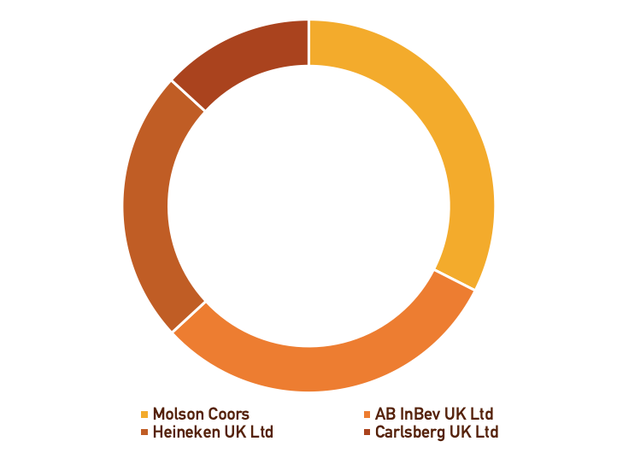
Major
Players
Domestic
Demand
-1.9%
 |  |  |  | DASHBOARD CALCULATIONS |  |  |  |  |  |  |  |  | AB InBev Performance Summary

 |  |  |  |  |  |  |  |  |  |  |  |  | Performance Summary
 |  |  |  | Industry Revenue
 |  |  |  |  |  |  |  |  |  |  |  |  |  | 2015 | 2016 | 2017 | 2018 | 2019
 |  |  |  |  |  |  |  |  |  |  |  |  |  | (In $millions) |  |  |  |  | % Change from 2018 to 2019
 |  |  |  | Year | Revenue (£ million) | Revenue ($ million) | Exports (£ million) | Exports ($ million) | Imports (£ million) | Imports ($million) | Domestic Dem. (£ million) | Domestic Dem.($ million) | Total Revenue | 43,604 | 45,517 | 56,444 | 54,619 | 52,329
Compare and Contrast
Two Leaders
 |  |  |  | 2009 | 7812.3 | 10155.99 | 475.8 | 618.54 | 544.3 | 707.59 | 7880.8 | 10245.0 | Cost of Goods Sold | (18,344) | (17,803) | (21,386) | (20,359) | (20,362)
UK Market Share
▲20.2%
UK Market Share
▲15.6%
 |  |  |  | 2010 | 9340.6 | 12142.78 | 569.4 | 740.22 | 549.4 | 714.22 | 9320.6 | 12116.8 | Gross Profit | 26,467 | 27,714 | 35,058 | 34,260 | 31,967 | -7%
 |  |  |  | 2011 | 10126.6 | 13164.58 | 650.0 | 845 | 565.7 | 735.41 | 10042.3 | 13055.0 | Gross Profit Margin % | 57.9% | 60.9% | 62.1% | 62.7% | 61.1%
 |  |  |  | 2012 | 9206.2 | 11968.06 | 672.1 | 873.73 | 629.9 | 818.87 | 9164.0 | 11913.2
 |  |  |  | 2013 | 9307.5 | 12099.75 | 660.6 | 858.78 | 554.6 | 720.98 | 9201.5 | 11962.0
Company Performance Summary ($millions) |  |  | Company Performance Summary ($millions) | 2014 | 9187.2 | 11943.36 | 721.5 | 937.95 | 570.7 | 741.91 | 9036.4 | 11747.3
Gross
Profit
▲10.3%
 |  |  |  | 2015 | 8948.6 | 11633.18 | 564.9 | 734.37 | 541.5 | 703.95 | 8925.2 | 11602.8 |  | 2015 | 2016 | 2017 | 2018 | 2019
EBIT
▲34%
Gross
Profit
▼7%
EBIT
▼14%
 |  |  |  | 2016 | 8722.2 | 11338.86 | 559.5 | 727.35 | 483.0 | 627.9 | 8645.7 | 11239.4 |  | (In $millions) |  |  |  |  | % Change from 2018 to 2019
 |  |  |  | 2017 | 7860.9 | 10219.17 | 650.7 | 845.91 | 738.3 | 959.79 | 7948.5 | 10333.1 | Gross Profit | 26,467 | 27,714 | 35,058 | 34,260 | 31,967
 |  |  |  | 2018 | 8103.2 | 10534.16 | 566.3 | 736.19 | 558.4 | 725.92 | 8095.3 | 10523.9 | Operating Expenses | 12,781 | 14,546 | 17,467 | 16,858 | 15,798
 |  |  |  | 2019 | 9239.2 | 12010.96 | 510.6 | 663.78 | 660.2 | 858.26 | 9388.8 | 12205.4 | EBIT | 14,710 | 9,175 | 16,083 | 13,142 | 17,670 | 34%
 |  |  |  | 2020 | 9113.7 | 11847.81 | 509.5 | 662.35 | 604.9 | 786.37 | 9209.1 | 11971.8
Current
Ratio
▲56%
Current
Ratio
▼21%
 |  |  |  | 2021 | 6291.3 | 8178.69 | 376.1 | 488.93 | 491.9 | 639.47 | 6407.1 | 8329.2
FCF
▼14%
FCF
▼4%
 |  |  |  | 2022 | 8043.2 | 10456.16 | 456.3 | 593.19 | 580.0 | 754 | 8166.9 | 10617.0
 |  |  |  | 2023 | 9032.5 | 11742.25 | 497.4 | 646.62 | 621.0 | 807.3 | 9156.1 | 11902.9 | Additional data
 |  |  |  | 2024 | 9240.3 | 12012.39 | 506.4 | 658.32 | 635.0 | 825.5 | 9368.9 | 12179.6
 |  |  |  | 2025 | 9471.3 | 12312.69 | 518.4 | 673.92 | 645.4 | 839.02 | 9598.3 | 12477.8 |  | 2015 | 2016 | 2017 | 2018 | 2019
 |  |  |  | 2026 | 9641.8 | 12534.34 | 527.9 | 686.27 | 655.5 | 852.15 | 9769.4 | 12700.2 |  | (In $millions) |  |  |  |  | % Change from 2018 to 2019
 | ROE | ROE |  | 2027 | 9825.0 | 12772.5 | 543.6 | 706.68 | 670.9 | 872.17 | 9952.3 | 12938.0 | Free Cash Flow | 9,372 | 5,131 | 10,689 | 9,577 | 8,222 | -14%

 |  |  |  | Source: Kotze, S. (2020). Beer Production in the UK. IBISWorld

 |  |  |  |  |  |  |  |  |  |  |  |  |  | 2015 | 2016 | 2017 | 2018 | 2019
 |  |  |  | Industry Risk Rating |  |  |  |  |  |  |  |  |  | (In $millions) |  |  |  |  | % Change from 2018 to 2019
 |  |  |  |  |  |  |  |  |  |  |  |  | Current Assets | 18,294 | 43,061 | 23,960 | 18,281 | 28,814
 |  |  |  | Year | Industry Risk | Sector risk | Economy risk |  |  |  |  |  | Current Liabilities | 28,456 | 40,116 | 36,211 | 34,459 | 34,841
The present dashboard examines the performance of two of the major UK beer production industry players, AB InBev and Heineken, to better understand the solidity of their business and recommend which one of the two Belgian playerss worth to "look out" for in the UK market.
#1 Recommendation. Considered the performance of both companies from 2015 to 2019, it is advisable to "look out" for AB InBev. Compare to Heineken, whose EBIT has shown a slight decrease of 14% from 2018 to 2019, AB InBev EBIT has shown a rise of +34%, which testifies a strong recovery compared to the -18% registered between 2017 and 2018. AB InBev seems to be a new interesting option and profitable opportunity to "look out" for.
#2 Recommendation. Compared to Heineken, whose ROE has almost a flat trend since mid-2017, AB InBev ROE has shown an increase of 34% from 2018 to 2019, which proves the beginning of a good recovery after the slight
decline of 2017-2018 and a rise in its competitiveness. It is recommended to compare the company ROE with the industry average. Since the latter is equal to 9.39%, AB InBev ROE can be considered well above the average, proving efficiency in the assets management. The reason for the AB InBev and Heineken ROEs % difference can be found in a higher AB InBev's cost of goods sold, which partly reflects a greater commitment to sustainability than Heineken. Since a strong sustainable commitment might increase awareness and benefit the company's market share, it is, again, recommended to "look out" for AB InBev.
#3 Recommendation. Compared to Heineken, whose current ratio has shown a sharp decrease, AB InBev's current ratio has shown a strong increase (+56%), moving from 0.53 in 2018 to 0.83 in 2019, which proves its increasing financial solidity position. AB InBev FCF has probably decreased from 2018 to 2019 as a consequence of several capital investments in innovation and sustainability. Therefore, it is still recommended to "look out" for AB InBev.
Reccomendations |  |  |  | 2012 | 3.53 | 4.85 | 4.74 |  |  |  |  |  | Current Ratio | 0.64 | 1.07 | 0.66 | 0.53 | 0.83 | 56%
 |  |  |  | 2013 | 4.94 | 5.1 | 4.87
 |  |  |  | 2014 | 4.84 | 5.11 | 4.72
 |  |  |  | 2015 | 4.05 | 4.77 | 4.66
 |  |  |  | 2016 | 4.04 | 4.96 | 4.9 |  |  |  |  |  |  | 2015 | 2016 | 2017 | 2018 | 2019
 |  |  |  | 2017 | 4.19 | 4.97 | 4.72 |  |  |  |  |  |  | (In $millions)
 |  |  |  | 2018 | 4.81 | 4.85 | 4.56 |  |  |  |  |  | Net Income | 8,273 | 1,241 | 7,996 | 4,368 | 9,171
 |  |  |  | 2019 | 4.78 | 5.11 | 4.77 |  |  |  |  |  | Stakeholder's equity | 42,137 | 71,339 | 72,585 | 64,486 | 75,722
 |  |  |  | 2020 | 3.48 | 5.35 | 5.51 |  |  |  |  |  | ROE | 19.6% | 1.7% | 11.0% | 6.8% | 12.1%
 |  |  |  | 2021 | 4.38 | 5.17 | 5.29
 |  |  |  |  |  |  |  |  |  |  |  |  | Source: 2019 Annual Report, AB InBev
 |  |  |  | Source: Kotze, S. (2020). Beer Production in the UK. IBISWorld |  |  |  |  |  |  |  |  | Source: 2018 Annual Report, AB InBev
 |  |  |  |  |  |  |  |  |  |  |  |  | Source: 2017 Annual Report, AB InBev
 |  |  |  |  |  |  |  |  |  |  |  |  | Source: 2016 Annual Report, AB InBev
 |  |  |  | Product & Services Segmentation |  |  |  |  |  |  |  |  | Source: 2015 Annual Report, AB InBev

 |  |  |  | Name | Revenue% | Revenue $m
 |  |  |  | Lager | 80.6 | 5,070.79
 |  |  |  | Ale | 15.6 | 981.44 |  |  |  |  |  |  | Heineken Beverage Company Performance Summary
 |  |  |  | Stout and porter | 3.8 | 239.07
 |  |  |  |  |  |  |  |  |  |  |  |  | Performance Summary
 |  |  |  | Source: Kotze, S. (2020). Beer Production in the UK. IBISWorld
 |  |  |  |  |  |  |  |  |  |  |  |  |  | 2015 | 2016 | 2017 | 2018 | 2019
 |  |  |  |  |  |  |  |  |  |  |  |  |  | (In $millions) |  |  |  |  | % Change from 2018 to 2019
 |  |  |  | Major Players |  |  |  |  |  |  |  |  | Total Revenue | 20,511 | 20,792 | 21,888 | 22,471 | 23,969
 |  |  |  |  |  |  |  |  |  |  |  |  | Cost of goods sold | (12,931) | (13,003) | (13,540) | (13,967) | (14,592)
 |  |  |  | Name | Market Share |  |  |  |  |  |  |  | Gross Profit | 7,580 | 7,789 | 8,348 | 8,504 | 9,377 | 10.27%
 |  |  |  | Molson Coors | 21.40 |  |  |  |  |  |  |  | Gross Profit Margin % | 36.96% | 37.46% | 38.14% | 37.84% | 39.12%
 |  |  |  | AB InBev UK Ltd | 20.20
 |  |  |  | Heineken UK Ltd | 15.60
 |  |  |  | Carlsberg UK Ltd | 8.70
 |  |  |  |  |  |  |  |  |  |  |  |  |  | 2015 | 2016 | 2017 | 2018 | 2019
 |  |  |  | Source: Kotze, S. (2020). Beer Production in the UK. IBISWorld |  |  |  |  |  |  |  |  |  | (In $millions) |  |  |  |  | % Change from 2018 to 2019
 |  |  |  |  |  |  |  |  |  |  |  |  | Gross Profit | 7,580 | 7,789 | 8,348 | 8,504 | 9,377
 |  |  |  |  |  |  |  |  |  |  |  |  | Operating Expenses | (4,916) | (5,080) | (5,072) | (5,442) | (5,839)
 |  |  |  |  |  |  |  |  |  |  |  |  | EBIT | 3,297 | 2,872 | 3,423 | 3,393 | 3,858 | 14%

 |  |  |  |  |  |  |  |  |  |  |  |  | Additional data

 |  |  |  |  |  |  |  |  |  |  |  |  |  | 2015 | 2016 | 2017 | 2018 | 2019
 |  |  |  |  |  |  |  |  |  |  |  |  |  | (In $millions) |  |  |  |  | % Change from 2018 to 2019
 |  |  |  |  |  |  |  |  |  |  |  |  | Free Cash Flow | 1,759 | 1,852 | 2,049 | 2,333 | 2,236 | -4%

 |  |  |  |  |  |  |  |  |  |  |  |  |  | 2015 | 2016 | 2017 | 2018 | 2019
 |  |  |  |  |  |  |  |  |  |  |  |  |  | (In $millions) |  |  |  |  | % Change from 2018 to 2019
 |  |  |  |  |  |  |  |  |  |  |  |  | Current Assets | 5,914 | 8,137 | 8,248 | 9,070 | 8,419
 |  |  |  |  |  |  |  |  |  |  |  |  | Current Liabilities | 8,516 | 10,397 | 10,458 | 10,450 | 12,307
 |  |  |  |  |  |  |  |  |  |  |  |  | Current Ratio | 0.69 | 0.78 | 0.79 | 0.87 | 0.68 | -21%

 |  |  |  |  |  |  |  |  |  |  |  |  |  | 2016 | 2017 | 2018 | 2019
 |  |  |  |  |  |  |  |  |  |  |  |  |  | (In $millions)
 |  |  |  |  |  |  |  |  |  |  |  |  | Net Income | 1,540 | 1,935 | 1,903 | 2,166
 |  |  |  |  |  |  |  |  |  |  |  |  | Stakeholder's equity | 13,238.0 | 13,321.0 | 14,358.0 | 16,147.0
 |  |  |  |  |  |  |  |  |  |  |  |  | ROE | 11.6% | 14.5% | 13.3% | 13.4%

 |  |  |  |  |  |  |  |  |  |  |  |  | Source: 2019 Annual Report, Heineken
 |  |  |  |  |  |  |  |  |  |  |  |  | Source: 2018 Annual Report, Heineken
 |  |  |  |  |  |  |  |  |  |  |  |  | Source: 2017 Annual Report, Heineken
 |  |  |  |  |  |  |  |  |  |  |  |  | Source: 2016 Annual Report, Heineken
 |  |  |  |  |  |  |  |  |  |  |  |  | Source: 2015 Annual Report, Heineken

#2 Dashboard
AB InBev
Against UK Industry Avarage
Dashboard Data

AB InBev against industry avarage
RESULT
UK represent a crucial market segment for AB InBev EMEA operations. Therefore, AB InBev total EMEA revenue is forecasted to slightly grow between 2020-2025 also due to a forecasted rise in the UK domestic demand and UK industry revenue.
Year | Industry Revenue (£ million) | Industry Revenue ($ million) | AB InBev Total EMEA Revenue ($ million) | Domestic Demand (£ million) | Domestic Demand ($ million)
2015 | 8,948.6 | 11,633.2 | 5,638.0 | 8,925.2 | 11,602.8
2016 | 8,722.2 | 11,338.9 | 6,010.0 | 8,645.7 | 11,239.4
2017 | 7,860.9 | 10,219.2 | 10,344.0 | 7,948.5 | 10,333.1
2018 | 8,103.2 | 10,534.2 | 8,374.0 | 8,095.3 | 10,523.9
2019 | 9,239.2 | 12,011.0 | 7,911.0 | 9,388.8 | 12,205.4
AB InBev
Against Industry Key Drivers
▼19.2%
UK Alcohol
Comsumption
2020 | 9,113.7 | 11,847.8 | 8,877.0 | 9,209.1 | 11,971.8
2021 | 6,291.3 | 8,178.7 | 9,121.8 | 6,407.1 | 8,329.2
2022 | 8,043.2 | 10,456.2 | 8,669.2 | 8,166.9 | 10,617.0
2023 | 9,032.5 | 11,742.3 | 9,359.4 | 9,156.1 | 11,902.9
▼1.9%
UK Domestic
Demand
2024 | 9,240.3 | 12,012.4 | 9,477.8 | 9,368.9 | 12,179.6
RESULT
UK represents a crucial market segment for AB InBev EMEA operations. Therefore, AB InBev EMEA hectoliters volumes might have decreased by 1.5% between 2018-2019 also due to a downward pressure on the UK domestic demand and UK alcohol consumption.
2025 | 9,471.3 | 12,312.7 | 9,819.0 | 9,598.3 | 12,477.8

▼1.5%
AB InBev
EMEA Volumes
Source: 2019 Annual Report, AB InBev
Source: Kotze, S. (2020). Beer Production in the UK. IBISWorld

AB InBev volumes against industry key drivers

AB InBev
A Future Towards Sustainability
61%
of AB InBev Global Purchased electricity volume is attained from rewenable sources
▼6.9%
Reduction in Emissions acorss AB InBev value chain since 2017
40.39%
of AB InBev Volume is in Returnable Packaging
▼9.39%
Decrease in
AB InBev Total Water Usage
Year | Health consciousness | Alcohol consumption per capita | Real household disposable income | AB InBev Volumes in hectoliters
2015 | -1.0 | -6.1 | 2.4 | 59,088.0
2016 | 2.1 | -2.7 | 4.3 | 75,348.0
2017 | 10.0 | 4.1 | 0.1 | 131,692.0
2018 | -4.9 | 1.6 | 2.2 | 87,176.0
2019 | 0.6 | 1.3 | 1.8 | 85,888.00
RESULT
Since 2017, AB InBev has been committed to ensuring increasing sustainability across its entire supply change. AB InBev records encouraging results in terms of CO2 emission, water usage, renewable energy, and returnable packaging.
 | Energy usage per hectoliter of production | Energy purchased per hectoliter of production
2017 | 111.60 | 101.20
2018 | 110.10 | 106.80
2019 | 104.60
2020 | 5.8 | 1.7 | 0.1 | 96,682.0
2021 | -1.0 | -1.8 | -0.9 | 89,774.4
2022 | -2.9 | -0.8 | -0.7 | 82,724.2
2023 | 0.7 | -3.7 | 0.0 | 83,991.6
2024 | 0.8 | 2.1 | 1.5 | 80,890.2
2025 | 0.6 | -0.4 | 2.3 | 76,577.0

Source: Kotze, S. (2020). Beer Production in the UK. IBISWorld

AB InBev a sustainable future

Year | Total direct and indirect GHG emissions | GHG emissions per hectoliter of production | Energy usage per hectoliter of production | Energy purchased per hectoliter of production | Water Use by Hectoliter of Production | Total Water Use | % Returnable Packaging
2017 | 32.35 | 59.90 | 111.60 | 101.20 | 3.09 | 1.78 | 0.46
2018 | 31.21 | 57.00 | 110.10 | 106.80 | 2.95 | 1.63 | 0.44
2019 | 31.80 | 55.30 | 104.60 |  | 2.80 | 1.64 | 0.41

Source: 2019 Annual Report, AB InBev
Source: 2018 Annual Report, AB InBev
Source: 2017 Annual Report, AB InBev

